Age distribution
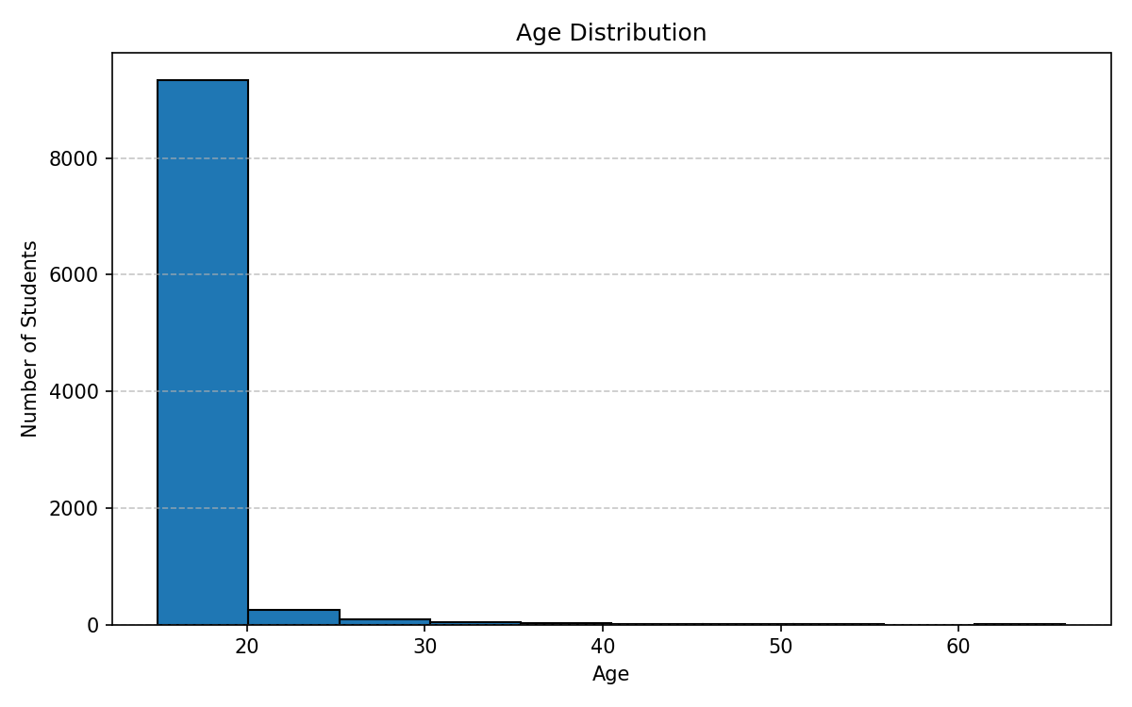
stat | value
count | 9746
mean | 18.52
std | 2.29
min | 15
25% | 18
50% | 18
75% | 18
max | 66

GPA distribution
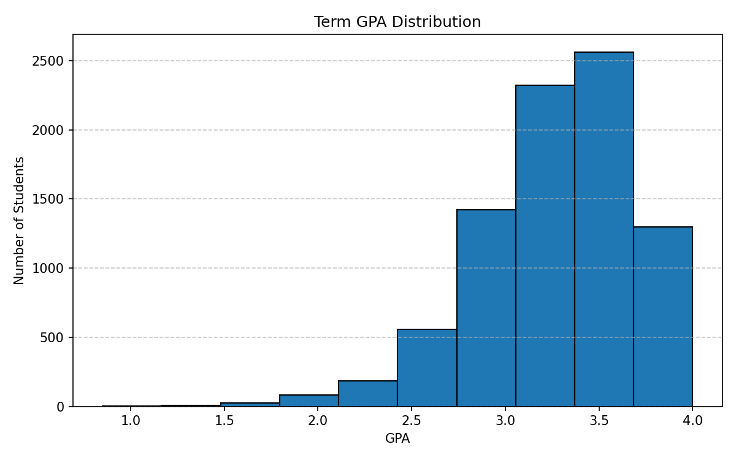
stat | value
count | 8468
mean | 3.282
std | 0.429
min | 0.85
25% | 3
50% | 3.33
75% | 3.58
max | 4

GPA counts
term_gpa | count | percent
0.85 | 1 | 0.01
1.1 | 1 | 0.01
1.33 | 2 | 0.02
1.35 | 4 | 0.04
1.42 | 1 | 0.01
1.43 | 1 | 0.01
1.47 | 1 | 0.01
1.5 | 1 | 0.01
1.52 | 1 | 0.01
1.57 | 2 | 0.02
1.63 | 1 | 0.01
1.65 | 8 | 0.08
1.67 | 7 | 0.07
1.77 | 4 | 0.04
1.78 | 1 | 0.01
1.8 | 7 | 0.07
1.85 | 14 | 0.14
1.87 | 3 | 0.03
1.9 | 10 | 0.1
1.92 | 1 | 0.01
2 | 24 | 0.25
2.03 | 1 | 0.01
2.07 | 1 | 0.01
2.1 | 22 | 0.23
2.13 | 10 | 0.1
2.15 | 7 | 0.07
2.17 | 2 | 0.02
2.2 | 18 | 0.18
2.22 | 2 | 0.02
2.23 | 29 | 0.3
2.25 | 9 | 0.09
2.28 | 3 | 0.03
2.3 | 18 | 0.18
2.33 | 38 | 0.39
2.35 | 12 | 0.12
2.37 | 7 | 0.07
2.4 | 14 | 0.14
2.42 | 17 | 0.17
2.43 | 50 | 0.51
2.47 | 27 | 0.28
2.48 | 1 | 0.01
2.5 | 60 | 0.62
2.52 | 1 | 0.01
2.53 | 34 | 0.35
2.55 | 1 | 0.01
2.57 | 76 | 0.78
2.58 | 21 | 0.22
2.6 | 20 | 0.21
2.63 | 13 | 0.13
2.65 | 52 | 0.53
2.67 | 95 | 0.97
2.68 | 43 | 0.44
2.7 | 55 | 0.56
2.72 | 6 | 0.06
2.75 | 66 | 0.68
2.77 | 118 | 1.21
2.78 | 13 | 0.13
2.8 | 102 | 1.05
2.82 | 68 | 0.7
2.85 | 90 | 0.92
2.87 | 64 | 0.66
2.9 | 232 | 2.38
2.92 | 91 | 0.93
2.95 | 11 | 0.11
2.97 | 35 | 0.36
2.98 | 1 | 0.01
3 | 434 | 4.45
3.02 | 4 | 0.04
3.03 | 92 | 0.94
3.05 | 2 | 0.02
3.08 | 109 | 1.12
3.1 | 260 | 2.67
3.13 | 149 | 1.53
3.15 | 102 | 1.05
3.18 | 157 | 1.61
3.2 | 190 | 1.95
3.22 | 25 | 0.26
3.23 | 324 | 3.32
3.25 | 173 | 1.78
3.28 | 64 | 0.66
3.3 | 57 | 0.58
3.32 | 122 | 1.25
3.33 | 359 | 3.68
3.35 | 232 | 2.38
3.37 | 65 | 0.67
3.4 | 59 | 0.61
3.42 | 204 | 2.09
3.43 | 254 | 2.61
3.45 | 11 | 0.11
3.47 | 277 | 2.84
3.5 | 272 | 2.79
3.53 | 185 | 1.9
3.57 | 374 | 3.84
3.58 | 124 | 1.27
3.6 | 117 | 1.2
3.65 | 132 | 1.35
3.67 | 330 | 3.39
3.68 | 159 | 1.63
3.7 | 71 | 0.73
3.75 | 106 | 1.09
3.77 | 184 | 1.89
3.78 | 30 | 0.31
3.8 | 182 | 1.87
3.82 | 65 | 0.67
3.85 | 181 | 1.86
3.9 | 217 | 2.23
3.92 | 56 | 0.57
4 | 207 | 2.12

Degree grade distributions
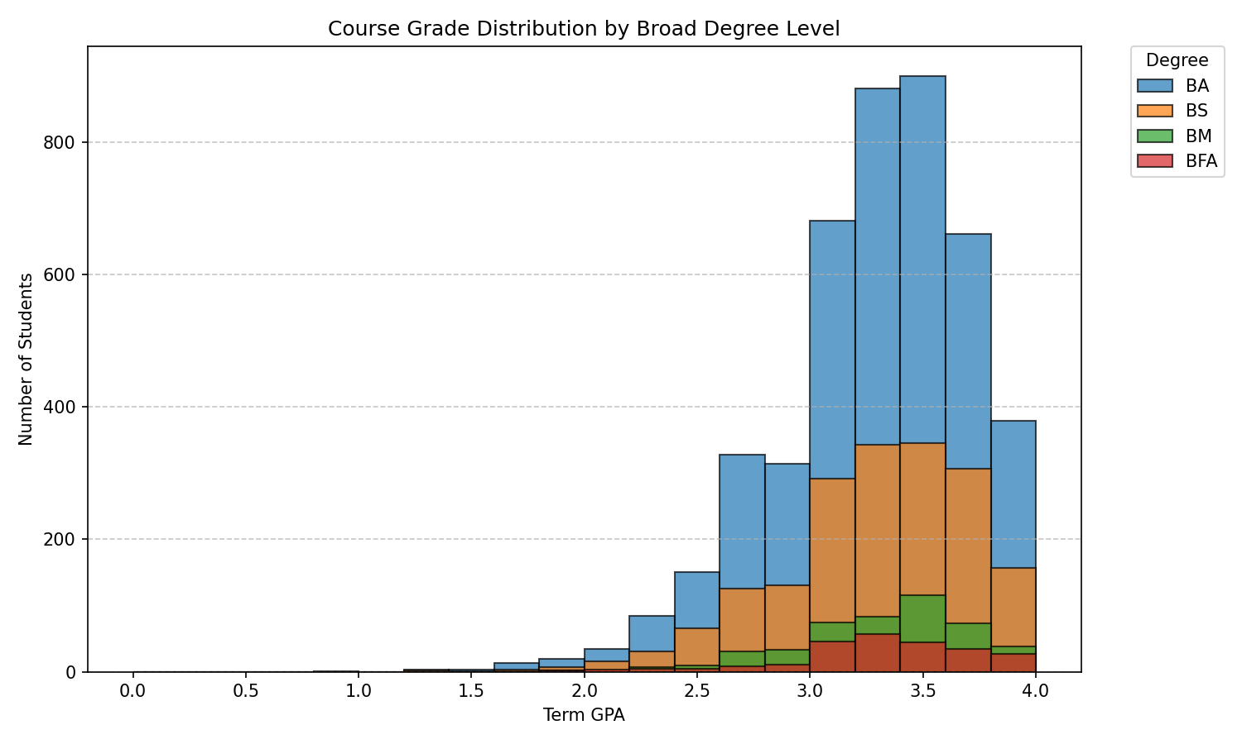
degree | gpa_bin | count
BA | [0.0, 0.2) | 0
BA | [0.2, 0.4) | 0
BA | [0.4, 0.6) | 0
BA | [0.6, 0.8) | 0
BA | [0.8, 1.0) | 1
BA | [1.0, 1.2) | 0
BA | [1.2, 1.4) | 3
BA | [1.4, 1.6) | 3
BA | [1.6, 1.8) | 13
BA | [1.8, 2.0) | 20
BA | [2.0, 2.2) | 34
BA | [2.2, 2.4) | 84
BA | [2.4, 2.6) | 151
BA | [2.6, 2.8) | 328
BA | [2.8, 3.0) | 314
BA | [3.0, 3.2) | 682
BA | [3.2, 3.4) | 881
BA | [3.4, 3.6) | 900
BA | [3.6, 3.8) | 662
BA | [3.8, 4.0) | 264
BFA | [0.0, 0.2) | 0
BFA | [0.2, 0.4) | 0
BFA | [0.4, 0.6) | 0
BFA | [0.6, 0.8) | 0
BFA | [0.8, 1.0) | 0
BFA | [1.0, 1.2) | 0
BFA | [1.2, 1.4) | 0
BFA | [1.4, 1.6) | 0
BFA | [1.6, 1.8) | 1
BFA | [1.8, 2.0) | 2
BFA | [2.0, 2.2) | 3
BFA | [2.2, 2.4) | 4
BFA | [2.4, 2.6) | 5
BFA | [2.6, 2.8) | 8
BFA | [2.8, 3.0) | 11
BFA | [3.0, 3.2) | 46
BFA | [3.2, 3.4) | 57
BFA | [3.4, 3.6) | 45
BFA | [3.6, 3.8) | 34
BFA | [3.8, 4.0) | 20
BM | [0.0, 0.2) | 0
BM | [0.2, 0.4) | 0
BM | [0.4, 0.6) | 0
BM | [0.6, 0.8) | 0
BM | [0.8, 1.0) | 0
BM | [1.0, 1.2) | 0
BM | [1.2, 1.4) | 0
BM | [1.4, 1.6) | 0
BM | [1.6, 1.8) | 0
BM | [1.8, 2.0) | 2
BM | [2.0, 2.2) | 0
BM | [2.2, 2.4) | 7
BM | [2.4, 2.6) | 9
BM | [2.6, 2.8) | 31
BM | [2.8, 3.0) | 33
BM | [3.0, 3.2) | 74
BM | [3.2, 3.4) | 83
BM | [3.4, 3.6) | 116
BM | [3.6, 3.8) | 73
BM | [3.8, 4.0) | 25
BS | [0.0, 0.2) | 0
BS | [0.2, 0.4) | 0
BS | [0.4, 0.6) | 0
BS | [0.6, 0.8) | 0
BS | [0.8, 1.0) | 0
BS | [1.0, 1.2) | 0
BS | [1.2, 1.4) | 2
BS | [1.4, 1.6) | 1
BS | [1.6, 1.8) | 3
BS | [1.8, 2.0) | 7
BS | [2.0, 2.2) | 16
BS | [2.2, 2.4) | 31
BS | [2.4, 2.6) | 66
BS | [2.6, 2.8) | 126
BS | [2.8, 3.0) | 131
BS | [3.0, 3.2) | 292
BS | [3.2, 3.4) | 343
BS | [3.4, 3.6) | 345
BS | [3.6, 3.8) | 307
BS | [3.8, 4.0) | 117

